Data Aug Details
Speaker | Layer Frozen | Training Loss Graph | Training Accuracy Graph | Accuracy | % Change from Normal

F05 | Augmented_F05_D3 | 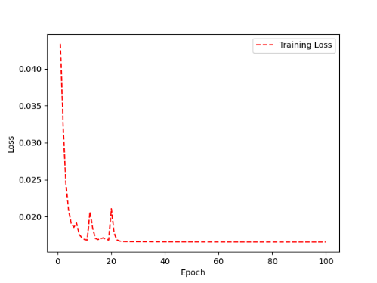 | 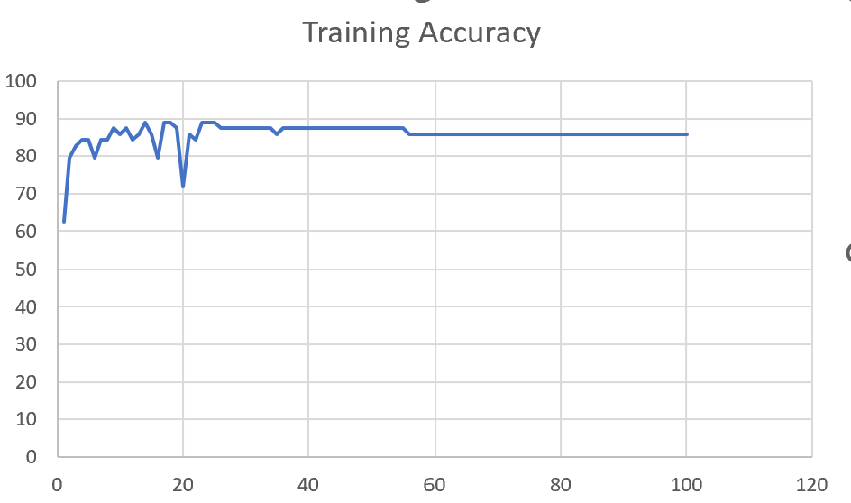 | 93 | 2

 | Augmented_F05_TE | 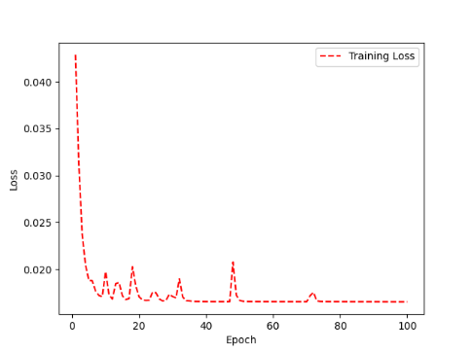 | 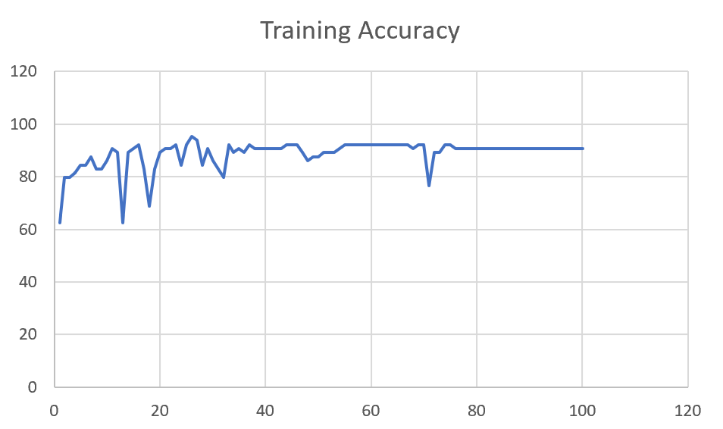 | 93 | 3

M08 | Augmented_M08_T3+D123 | 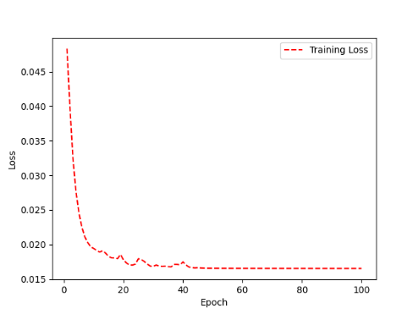 | 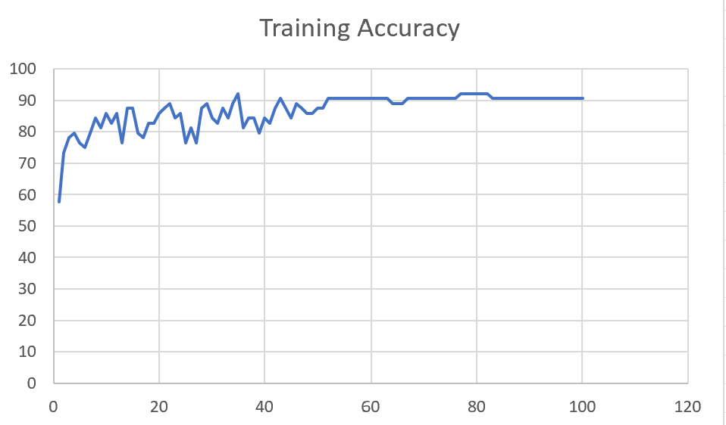 | 88 | 4

 | Augmented_M08_T3+D12 | 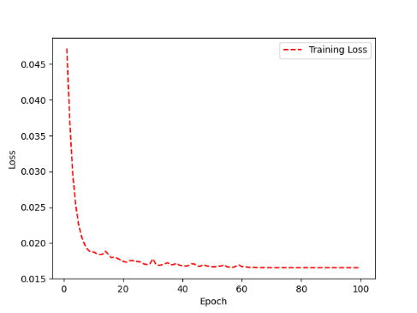 | 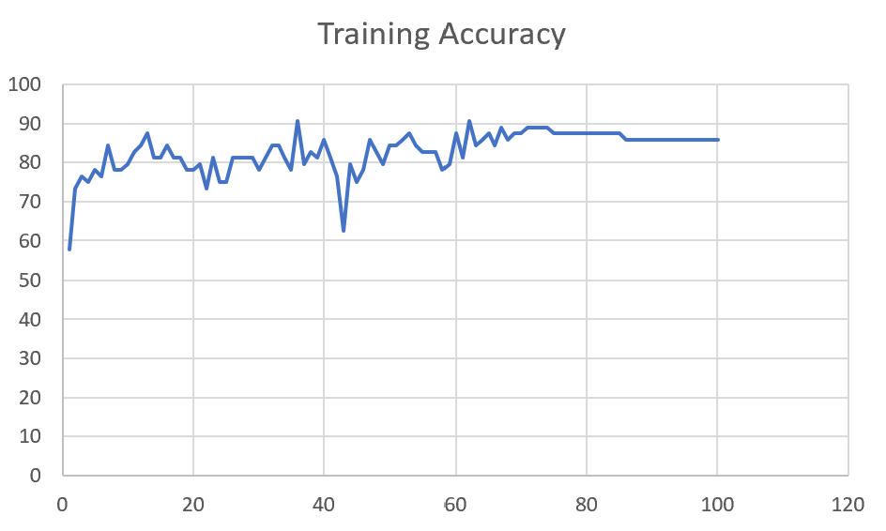 | 88 | 6

M10 | Augmented_M10_T3+D1 | 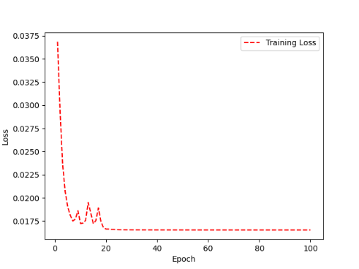 | 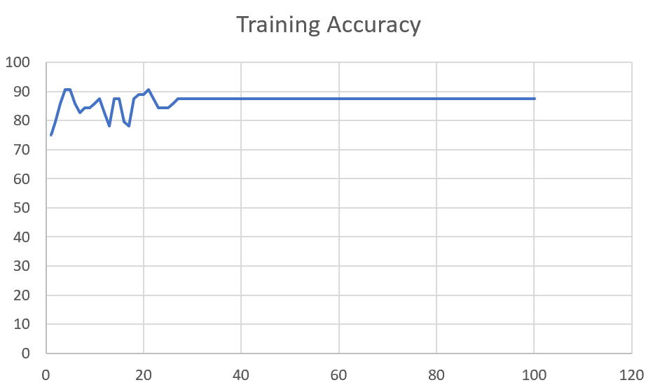 | 91 | -1

 | Augmented_M10_E1 | 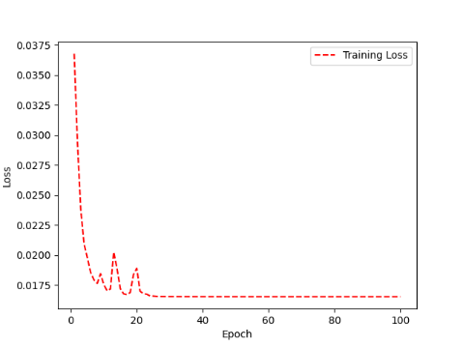 | 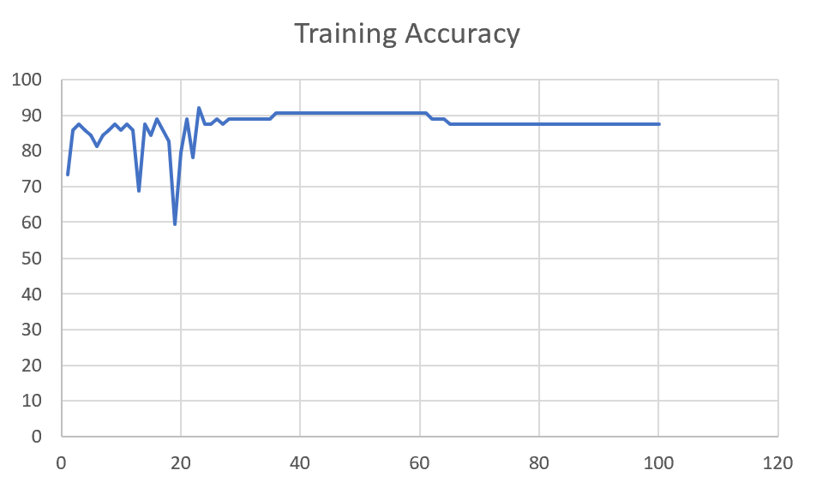 | 91 | 0

M14 | Augmented_M14_D3 | 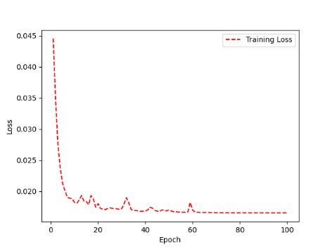 | 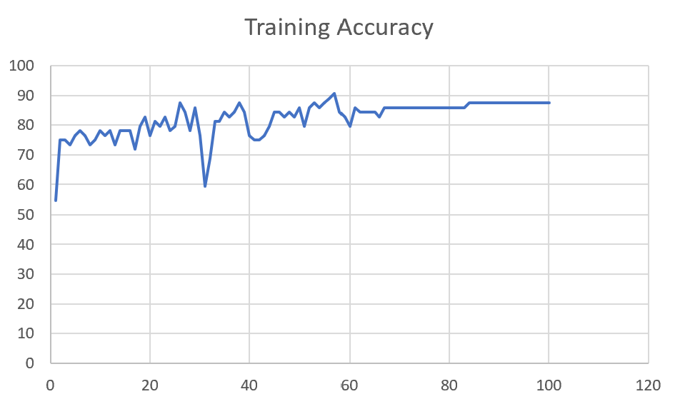 | 84

 | Augmented_M14_T3+D1 | 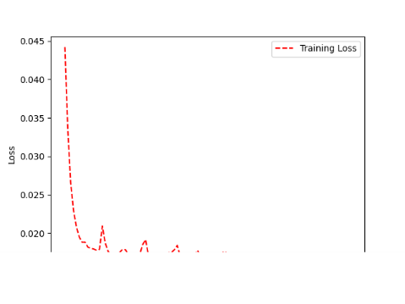 | 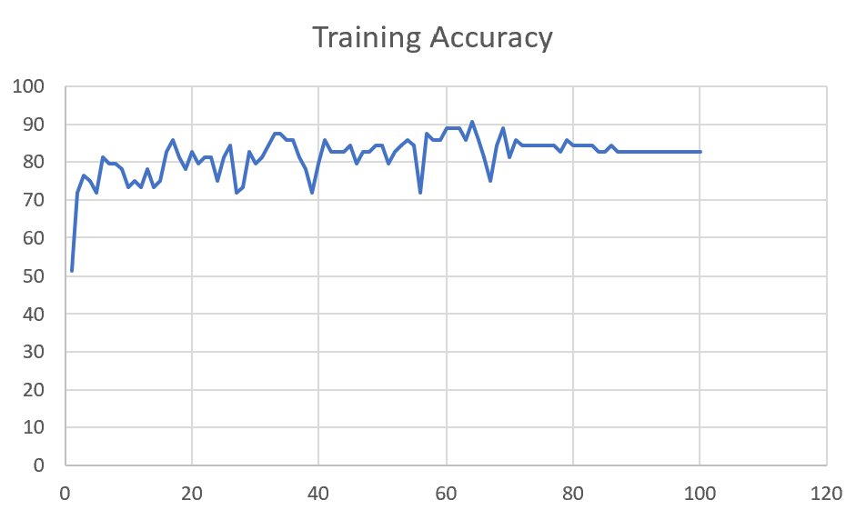 | 85

M09 | Augmented_M09_D3 | 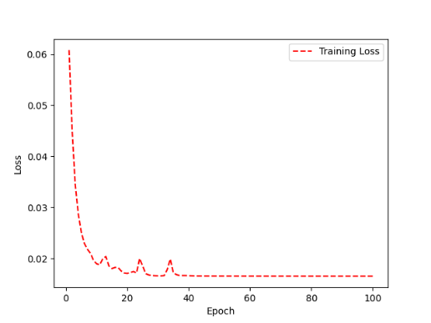 | 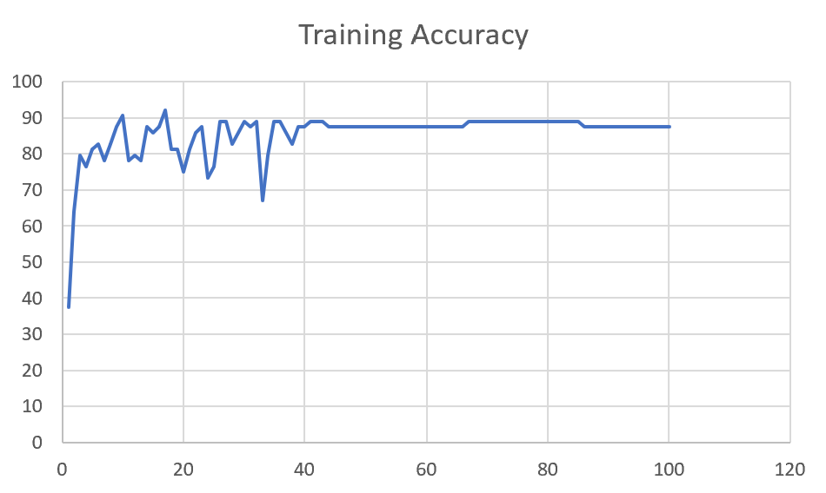 | 84

 | Augmented_M09_TE | 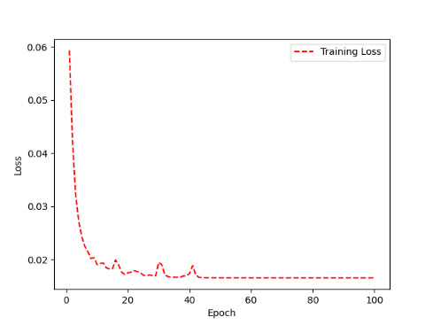 | 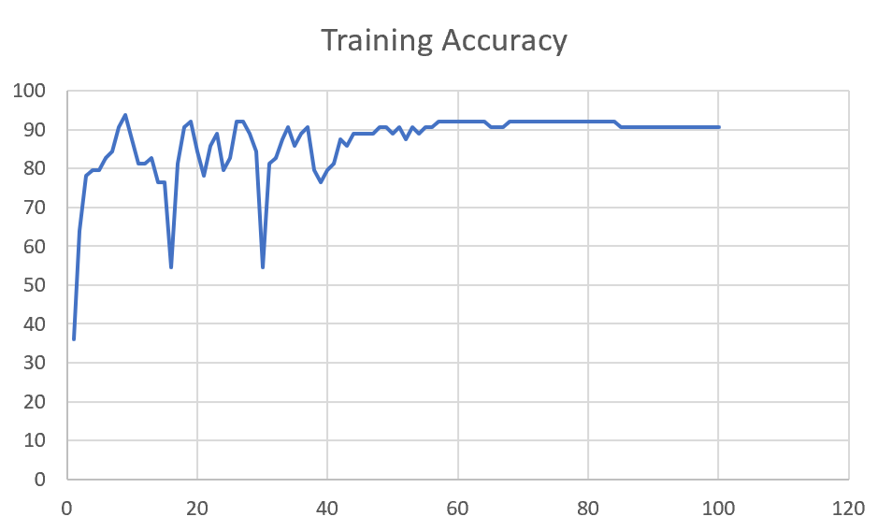 | 82

F04 | Augmented_F04_TE | 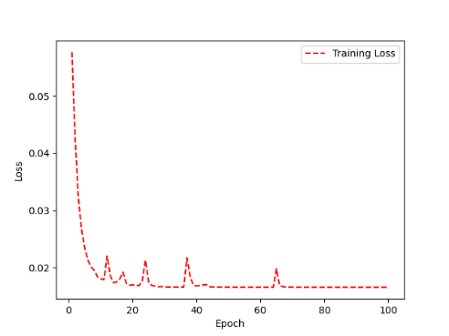 | 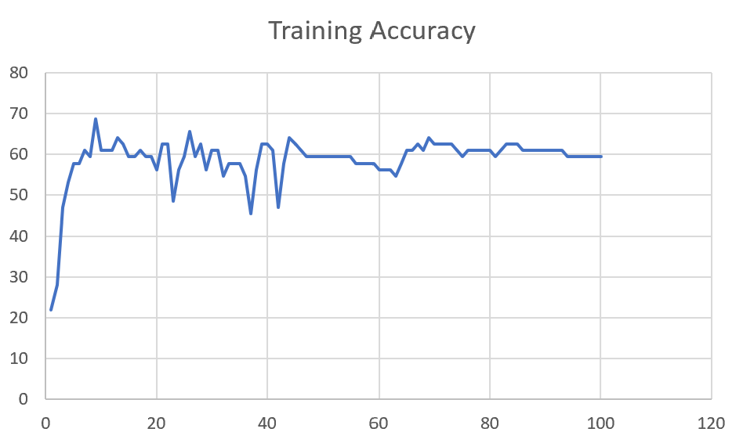 | 69

 | Augmented_F04_TE+D1 | 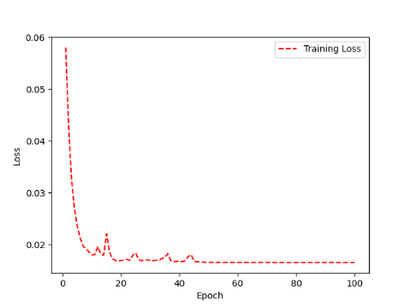 | 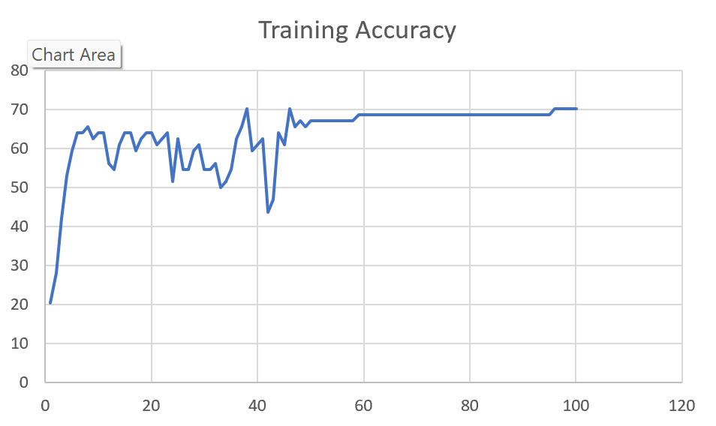 | 72

M11 | Augmented_M11_TE | 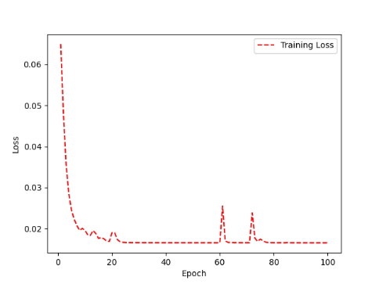 | 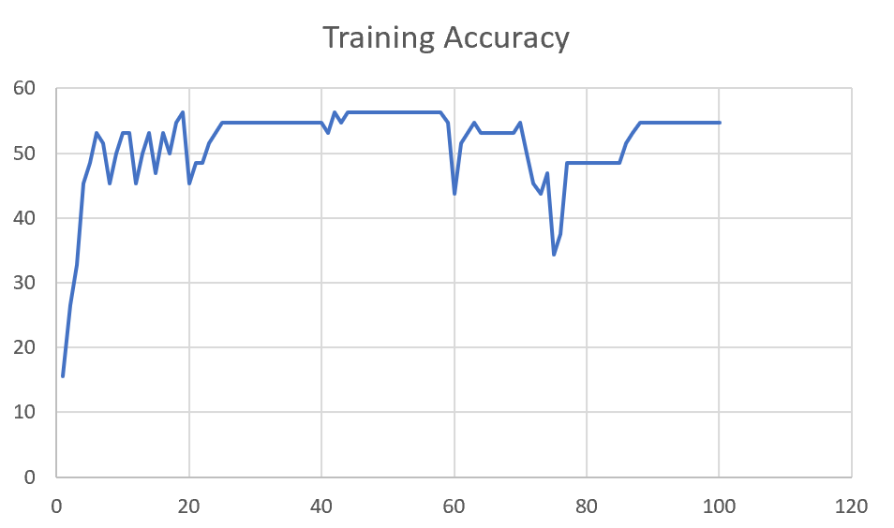 | 55

 | Augmented_M11_D3 | 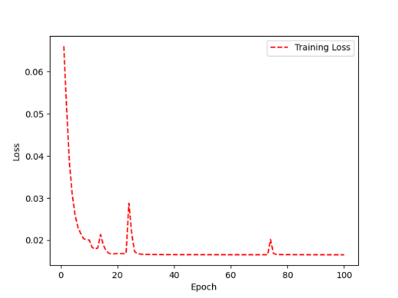 | 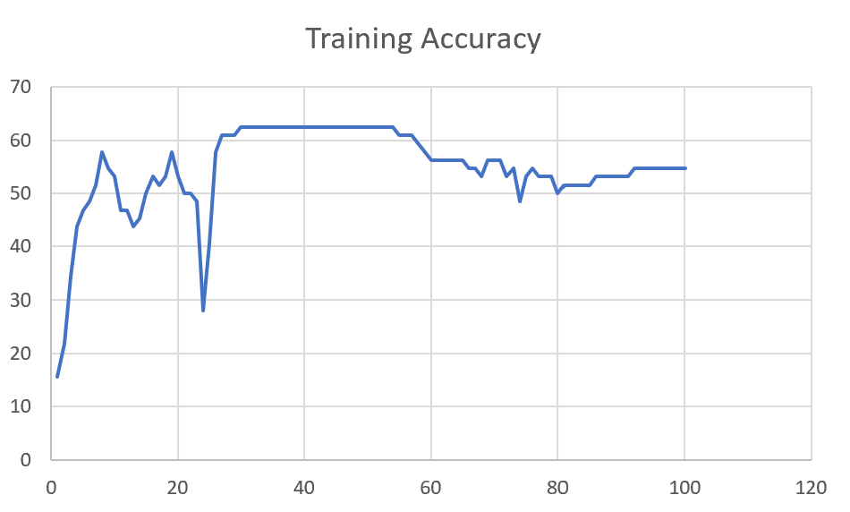 | 58

M05 | Augmented_M05_D3 | 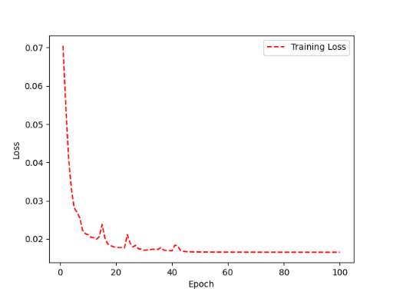 | 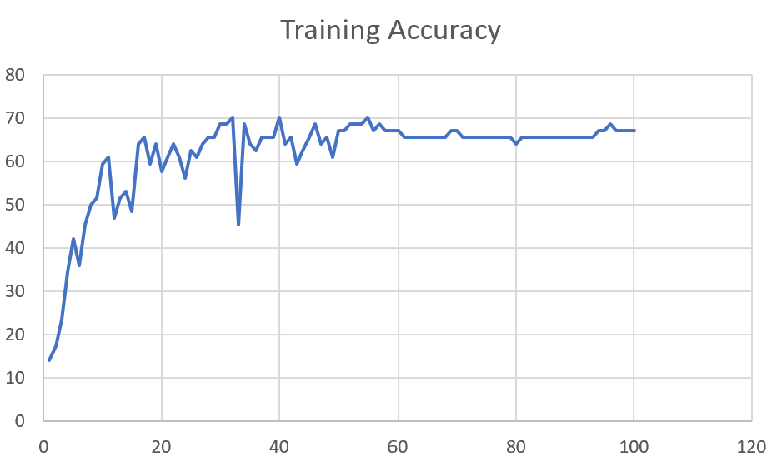 | 66

 | Augmented_M05_TE+D1

M16 | Augmented_M16_D3

 | Augmented_M16_TE+D1

F02 | Augmented_F02_TE

 | Augmented_M05_TE+D1

M07 | Augmented_M07_D3

 | Augmented_M07_TE+D12

M01 | Augmented_M05_D3

 | Augmented_M05_TE+D1

M12 | Augmented_M12_TE+D1

 | Augmented_M12_D3

F03 | Augmented_F03_TE+D1

 | Augmented_F03_TE

M04 | Augmented_M04_TE

 | Augmented_M04_E1

Sheet1
 |  |  | Training Accuracy
0 | 0.859375 | 1 | 14.0625
1 | 0.828125 | 2 | 17.1875
2 | 0.765625 | 3 | 23.4375
3 | 0.65625 | 4 | 34.375
4 | 0.578125 | 5 | 42.1875
5 | 0.640625 | 6 | 35.9375
6 | 0.546875 | 7 | 45.3125
7 | 0.5 | 8 | 50
8 | 0.484375 | 9 | 51.5625
9 | 0.40625 | 10 | 59.375
10 | 0.390625 | 11 | 60.9375
11 | 0.53125 | 12 | 46.875
12 | 0.484375 | 13 | 51.5625
13 | 0.46875 | 14 | 53.125
14 | 0.515625 | 15 | 48.4375
15 | 0.359375 | 16 | 64.0625
16 | 0.34375 | 17 | 65.625
17 | 0.40625 | 18 | 59.375
18 | 0.359375 | 19 | 64.0625
19 | 0.421875 | 20 | 57.8125
20 | 0.390625 | 21 | 60.9375
21 | 0.359375 | 22 | 64.0625
22 | 0.390625 | 23 | 60.9375
23 | 0.4375 | 24 | 56.25
24 | 0.375 | 25 | 62.5
25 | 0.390625 | 26 | 60.9375
26 | 0.359375 | 27 | 64.0625
27 | 0.34375 | 28 | 65.625
28 | 0.34375 | 29 | 65.625
29 | 0.3125 | 30 | 68.75
30 | 0.3125 | 31 | 68.75
31 | 0.296875 | 32 | 70.3125
32 | 0.546875 | 33 | 45.3125
33 | 0.3125 | 34 | 68.75
34 | 0.359375 | 35 | 64.0625
35 | 0.375 | 36 | 62.5
36 | 0.34375 | 37 | 65.625
37 | 0.34375 | 38 | 65.625
38 | 0.34375 | 39 | 65.625
39 | 0.296875 | 40 | 70.3125
40 | 0.359375 | 41 | 64.0625
41 | 0.34375 | 42 | 65.625
42 | 0.40625 | 43 | 59.375
43 | 0.375 | 44 | 62.5
44 | 0.34375 | 45 | 65.625
45 | 0.3125 | 46 | 68.75
46 | 0.359375 | 47 | 64.0625
47 | 0.34375 | 48 | 65.625
48 | 0.390625 | 49 | 60.9375
49 | 0.328125 | 50 | 67.1875
50 | 0.328125 | 51 | 67.1875
51 | 0.3125 | 52 | 68.75
52 | 0.3125 | 53 | 68.75
53 | 0.3125 | 54 | 68.75
54 | 0.296875 | 55 | 70.3125
55 | 0.328125 | 56 | 67.1875
56 | 0.3125 | 57 | 68.75
57 | 0.328125 | 58 | 67.1875
58 | 0.328125 | 59 | 67.1875
59 | 0.328125 | 60 | 67.1875
60 | 0.34375 | 61 | 65.625
61 | 0.34375 | 62 | 65.625
62 | 0.34375 | 63 | 65.625
63 | 0.34375 | 64 | 65.625
64 | 0.34375 | 65 | 65.625
65 | 0.34375 | 66 | 65.625
66 | 0.34375 | 67 | 65.625
67 | 0.34375 | 68 | 65.625
68 | 0.328125 | 69 | 67.1875
69 | 0.328125 | 70 | 67.1875
70 | 0.34375 | 71 | 65.625
71 | 0.34375 | 72 | 65.625
72 | 0.34375 | 73 | 65.625
73 | 0.34375 | 74 | 65.625
74 | 0.34375 | 75 | 65.625
75 | 0.34375 | 76 | 65.625
76 | 0.34375 | 77 | 65.625
77 | 0.34375 | 78 | 65.625
78 | 0.34375 | 79 | 65.625
79 | 0.359375 | 80 | 64.0625
80 | 0.34375 | 81 | 65.625
81 | 0.34375 | 82 | 65.625
82 | 0.34375 | 83 | 65.625
83 | 0.34375 | 84 | 65.625
84 | 0.34375 | 85 | 65.625
85 | 0.34375 | 86 | 65.625
86 | 0.34375 | 87 | 65.625
87 | 0.34375 | 88 | 65.625
88 | 0.34375 | 89 | 65.625
89 | 0.34375 | 90 | 65.625
90 | 0.34375 | 91 | 65.625
91 | 0.34375 | 92 | 65.625
92 | 0.34375 | 93 | 65.625
93 | 0.328125 | 94 | 67.1875
94 | 0.328125 | 95 | 67.1875
95 | 0.3125 | 96 | 68.75
96 | 0.328125 | 97 | 67.1875
97 | 0.328125 | 98 | 67.1875
98 | 0.328125 | 99 | 67.1875
99 | 0.328125 | 100 | 67.1875
<__main__.DisplayOutputs object at 0x7f8674ab19d0> | 0.328125 | #VALUE! | 67.1875
<__main__.DisplayOutputs object at 0x7f8674ab19d0> | 0.265625 | #VALUE! | 73.4375
<__main__.DisplayOutputs object at 0x7f8674ab19d0> | 0.34375 | #VALUE! | 65.625
<__main__.DisplayOutputs object at 0x7f8674ab19d0> | 0.3125 | #VALUE! | 68.75
<__main__.DisplayOutputs object at 0x7f8674ab19d0> | 0.34375 | #VALUE! | 65.625
<__main__.DisplayOutputs object at 0x7f8674ab19d0> | 0.40625 | #VALUE! | 59.375
<__main__.DisplayOutputs object at 0x7f8674ab19d0> | 0.296875 | #VALUE! | 70.3125
<__main__.DisplayOutputs object at 0x7f8674ab19d0> | 0.453125 | #VALUE! | 54.6875
<__main__.DisplayOutputs object at 0x7f8674ab19d0> | 0.328125 | #VALUE! | 67.1875
<__main__.DisplayOutputs object at 0x7f8674ab19d0> | 0.265625 | #VALUE! | 73.4375
<__main__.DisplayOutputs object at 0x7f8674ab19d0> | 0.296875 | #VALUE! | 70.3125
<__main__.DisplayOutputs object at 0x7f8674ab19d0> | 0.328125 | #VALUE! | 67.1875
<__main__.DisplayOutputs object at 0x7f8674ab19d0> | 0.296875 | #VALUE! | 70.3125
<__main__.DisplayOutputs object at 0x7f8674ab19d0> | 0.3125 | #VALUE! | 68.75
<__main__.DisplayOutputs object at 0x7f8674ab19d0> | 0.34375 | #VALUE! | 65.625
<__main__.DisplayOutputs object at 0x7f8674ab19d0> | 0.453125 | #VALUE! | 54.6875
<__main__.DisplayOutputs object at 0x7f8674ab19d0> | 0.40983606557 | #VALUE! | 59.016393443
<__main__.DisplayOutputs object at 0x7fcfe04bb910> | 0.640625
<__main__.DisplayOutputs object at 0x7fcfe04bb910> | 0.50819672131

